_Fuel Selection
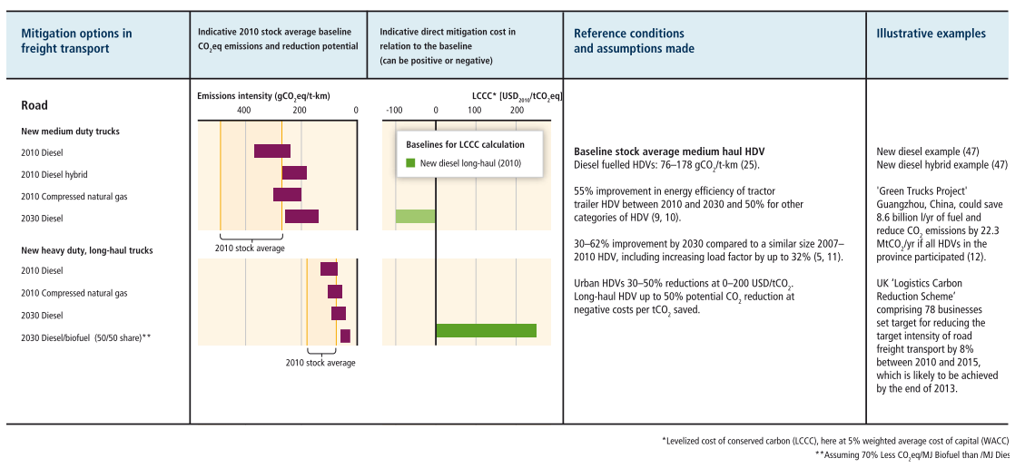
Fuel Selection

 | Drive-Technology Fuel Selection

 |  |  | BEV | FCEV | ICE-D | ICE-NG
 | Brazil | LDV | Electricity | Hydrogen (renewable) | Diesel | Natural Gas (CNG)
 |  | MDV | Electricity | Hydrogen (renewable) | Diesel | Natural Gas (CNG)
 |  | HDV | Electricity | Hydrogen (renewable) | Diesel | Natural Gas (CNG)
 | China | LDV | Electricity | Hydrogen (renewable) | Diesel | Natural Gas (CNG)
 |  | MDV | Electricity | Hydrogen (renewable) | Diesel | Natural Gas (LNG)
 |  | HDV | Electricity | Hydrogen (renewable) | Diesel | Natural Gas (LNG)
 | EU | LDV | Electricity | Hydrogen (renewable) | Diesel | Natural Gas (CNG)
 |  | MDV | Electricity | Hydrogen (renewable) | Diesel | Natural Gas (LNG)
 |  | HDV | Electricity | Hydrogen (renewable) | Diesel | Natural Gas (LNG)
 | India | LDV | Electricity | Hydrogen (renewable) | Diesel | Natural Gas (CNG)
 |  | MDV | Electricity | Hydrogen (renewable) | Diesel | Natural Gas (CNG)
 |  | HDV | Electricity | Hydrogen (renewable) | Diesel | Natural Gas (CNG)
 | US | LDV | Electricity | Hydrogen (renewable) | Diesel | Natural Gas (CNG)
 |  | MDV | Electricity | Hydrogen (renewable) | Diesel | Natural Gas (LNG)
 |  | HDV | Electricity | Hydrogen (renewable) | Diesel | Natural Gas (LNG)
 | Rest of World | LDV | Electricity | Hydrogen (renewable) | Diesel | Natural Gas (CNG)
 |  | MDV | Electricity | Hydrogen (renewable) | Diesel | Natural Gas (LNG)
 |  | HDV | Electricity | Hydrogen (renewable) | Diesel | Natural Gas (LNG)

